Sheet1
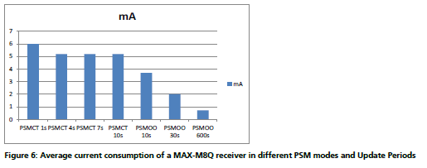
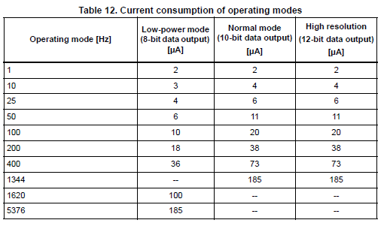
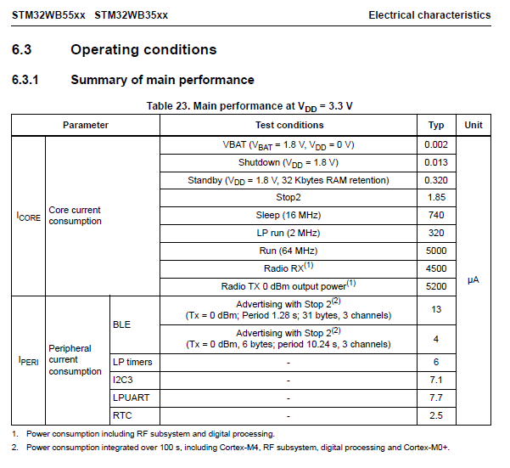
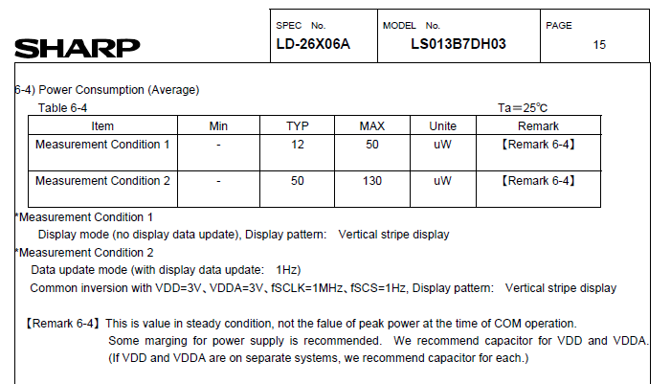
SCAP Max | 5.433
SCAP Min | 1.3
VCC | 2.75

% | CAP V | Buck-Boost uA | GPS | uA | DISP | uA | BLE + MCU | uA | Accel | uA | Summary Power mW
100% | 5.433
97% | 5.3 | 11 | 1S PSMCT | 17000 | 4HZ | 50 | ON | 6000 | 10Hz 8 Bit | 3 | 63.4
80% | 4.6 | 11 | 1S PSMCT | 6000 | 4HZ | 50 | ON | 31.2 | 10Hz 8 Bit | 3 | 16.8
65% | 4 | 11 | 60S ON OFF | 5000 | 4HZ | 50 | ON | 31.2 | 10Hz 8 Bit | 3 | 14.0
51% | 3.4 | 11 | 600S ON OFF | 1000 | 4HZ | 50 | ON | 31.2 | 10Hz 8 Bit | 3 | 3.0
29% | 2.5 | 11 | 600S ON OFF | 1000 | 1S | 50 | OFF | 18.2 | 10Hz 8 Bit | 3 | 3.0
15% | 1.9 | 11 | 1Hour ON OFF | 500 | 1S | 12 | OFF | 18.2 | 10Hz 8 Bit | 3 | 1.5
0% | 1.3 | 11 | OFF | 15 | 60S | 12 | OFF | 18.2 | OFF | 0.5 | 0.2

